Bug Report
Bug ID | Description/Summary | Steps to Reproduce | Expected Result | Actual Result | Severity | Priority | Screenshot
99Bookstore-Bug-001 | Link is not open in a new tab by clicking on the link text | 1. Open the application URL 2. Click on 'Download our Mobile Application' text in the page | Link text should be open in a new tab by clicking on link text in the page | Link text is opened in the same tab instead of opened in the new tab. | Minor | P2(Low) | 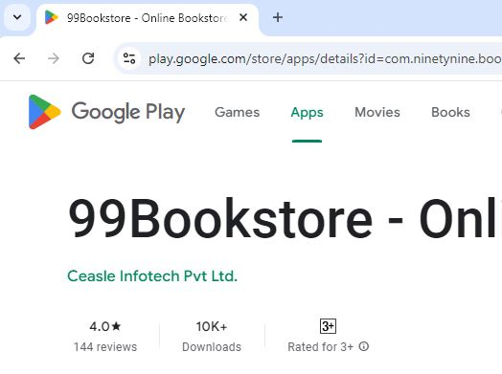
99Bookstore-Bug-002 | Tool tip is not displayed when the mouse hover on the link text | 1. Open the application URL 2. Moue hover on 'Download our Mobile Application' text in the page | Tool tip should be displayed when the mouse hover on the link text | Tool tip is not displayed when the mouse hover on the link text | Minor | P2(Low)
99Bookstore-Bug-003 | Every individual categories link in the home page is not added to every displayed product collections title and its not navigated to individual categories page | 1. Open the application URL 2. Click on every collection title | Individual categories link should be added to every displayed product collections title and its should be navigated to individual categories page | Individual categories link not added most of the product collection title and its not navigated to individual categories page | Major | P0(High) | 
99Bookstore-Bug-004 | Every product collection titles in the home page is not highlighted with an underline and color change when mouse hover the particular titles | 1. Open the application URL 2. Mouse hover on every collection title | Every product collection titles in the home page should be highlighted with an underline and color change | Some of the product collection titles are not highlighted with an underline and color change | Minor | P2(Low) | 
99Bookstore-Bug-005 | Please match the format requested' warning message displayedonly phone number field | 1. Open the application URL 2.Click the Bulk purchase page 3. Enter data with blank spaces in prefix and suffix in every field | 'Please match the format requested' Warning message should be displayed on the every field | 'Please match the format requested' Warning message displayed only phone number field field | Major | P1(Medium)
99Bookstore-Bug-006 | Accept invalid email address and 'Thanks for contacting us. We'll get back to you as soon as possible' message is displayed | 1. Open the application URL 3. Click the Bulk Purchase page 3. Enter invalid email address (without proper domain) | Invalid email address should not accept | Accept invalid email address and 'Thanks for contacting us. We'll get back to you as soon as possible' message is displayed | Major | P1(Medium)
99Bookstore-Bug-007 | Accept invalid sub domian email address and 'Thanks for contacting us. We'll get back to you as soon as possible' message is displayed | 1. Open the application URL 3. Click the Bulk Purchase page 3. Enter invalid email address (without proper sub domain) | Invalid sub domian email address should not accept | Accept invalid sub domian email address and 'Thanks for contacting us. We'll get back to you as soon as possible' message is displayed | Major | P1(Medium)
99Bookstore-Bug-008 | Warning message is not displayed on the email field when enter wrong email format | 1. Open the application URL 3. Click the Bulk Purchase page 3. Enter invalid email address (without proper domain/sub domain) | Warning message is displayed on the email field when enter wrong email format | Warning message is not displayed on the email field | Major | P1(Medium)
99Bookstore-Bug-009 | Accepted exceeding numbers in the phone number field and first 10 digits considered as phone number | 1. Open the application URL 2. Click on Search icon from Home page 3. Enter any existing Product name into the Search text box field 4. Click on the button having search icon 5. Click on the Product displayed in the Search results 6. Click Buy Now button 7. Enter a exceed number | Not accept exceeding numbers in the phone number field and display warning message | Accepted exceeding numbers in the phone number field and first 10 digits considered as phone number | Major | P0(High) | 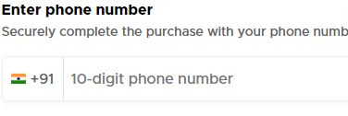
99Bookstore-Bug-010 | Not accept subceeding numbers in the phone number field and not displayed any kind of warning message | 1. Open the application URL 2. Click on Search icon from Home page 3. Enter any existing Product name into the Search text box field 4. Click on the button having search icon 5. Click on the Product displayed in the Search results 6. Click Buy Now button 7. Enter a subceed number | Not accept subceeding numbers in the phone number field and display warning message | Not accept subceeding numbers in the phone number field and not displayed any kind of warning message | Major | P0(High)
99Bookstore-Bug-011 | Dropdown in the payment method section not work properly | 1. Open the application URL 2. Click on search icon from Home page 3. Enter any existing Product name into the Search text box field 4. Click on the button having search icon 5. Click on the Product displayed in the Search results 6. Click Buy Now button 7. Enter valid phone number 8. Enter valid OTP 9. Enter shipping address and click Add address button 10. Check the payment method drop downs | Every payment method drop downs should work properly | UPI payment method drop down not work properly | Minor | P1(Medium) | 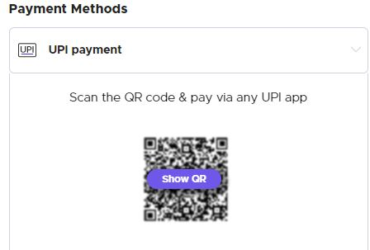
99Bookstore-Bug-012 | 1. Other payment options are not listed in Show other methods option in the checkout page | 1. Open the application URL 2. Click on search icon from Home page 3. Enter any existing Product name into the Search text box field 4. Click on the button having search icon 5. Click on the Product displayed in the Search results 6. Click Buy Now button 7. Enter valid phone number 8. Enter valid OTP 9. Enter shipping address and click Add address button 10. Check the payment method drop downs 11. Click on Show other methods option | 1. Other payment options should be listed in the Show other method option | No other payment options are listed in the Show other method option | Major | P1(Medium)
99Bookstore-Bug-013 | Proper UI is not displayed for the 'Checkout' page | 1. Open the application URL 2. Check the UI of Checkout page | Proper UI should be displayed for the 'Checkout' page | Proper UI is not displayed for the 'Checkout' page (paymet dropdown section) | Minor | P2(Low)
99Bookstore-Bug-014 | Logo on the 'Footer' section is not navigated to home page | 1. Open the application URL 2. Click on logo in the footer section | Logo on the 'Footer' section navigating to home page | Logo on the 'Footer' section is not navigated to home page | Minor | P2(Low) | 

